Olympics
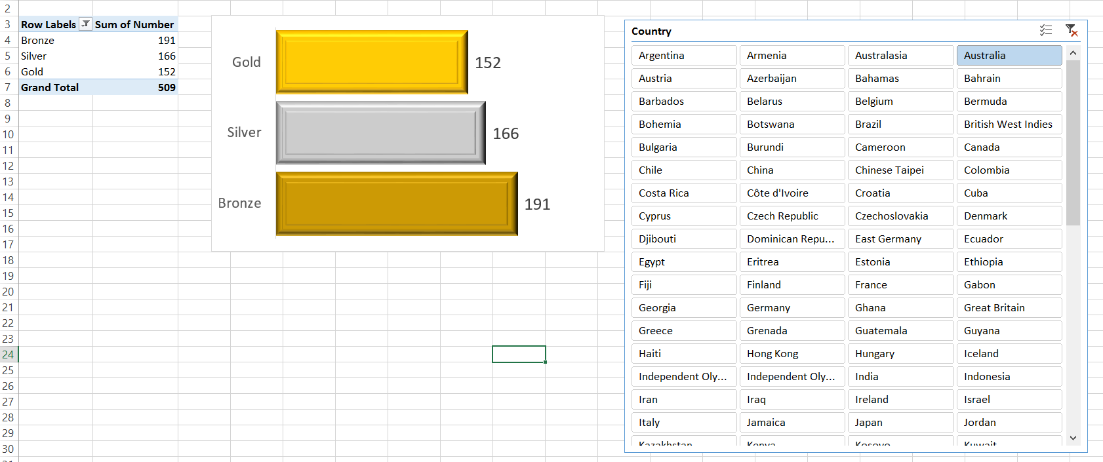
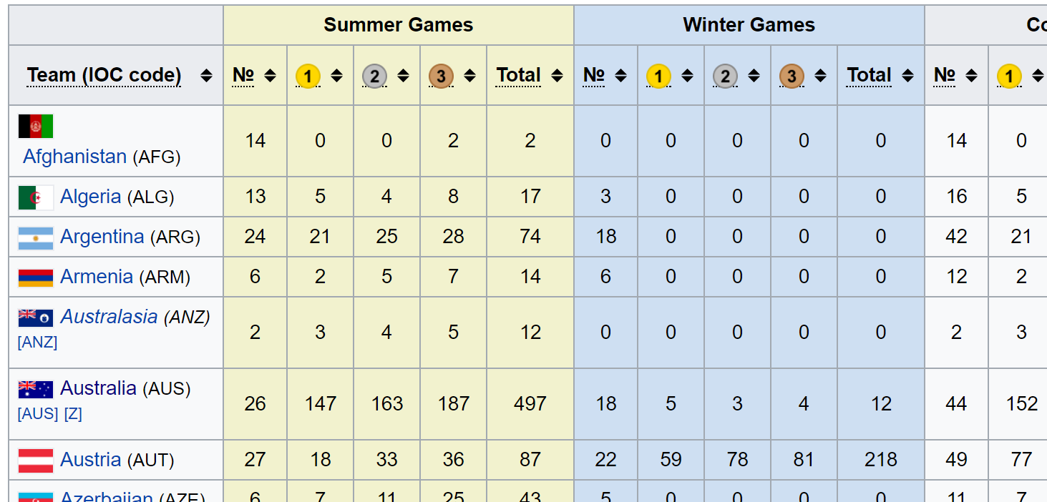
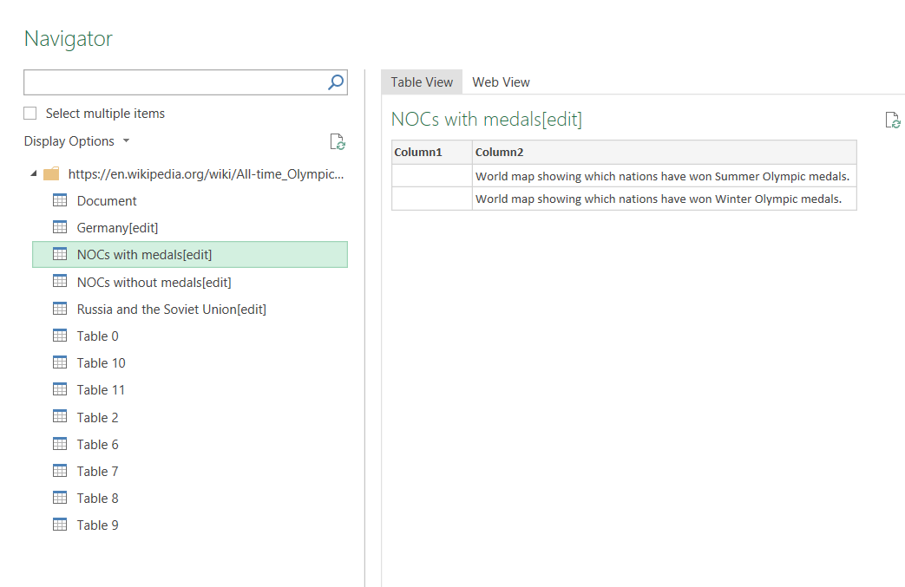
https://en.wikipedia.org/wiki/All-time_Olympic_Games_medal_table | https://tinyurl.com/japwbrr

PBI DESKTOP
Exercises\Other Exercises\Power Map And Power View\Fake data Power View.xlsx | https://tinyurl.com/zpv6w34
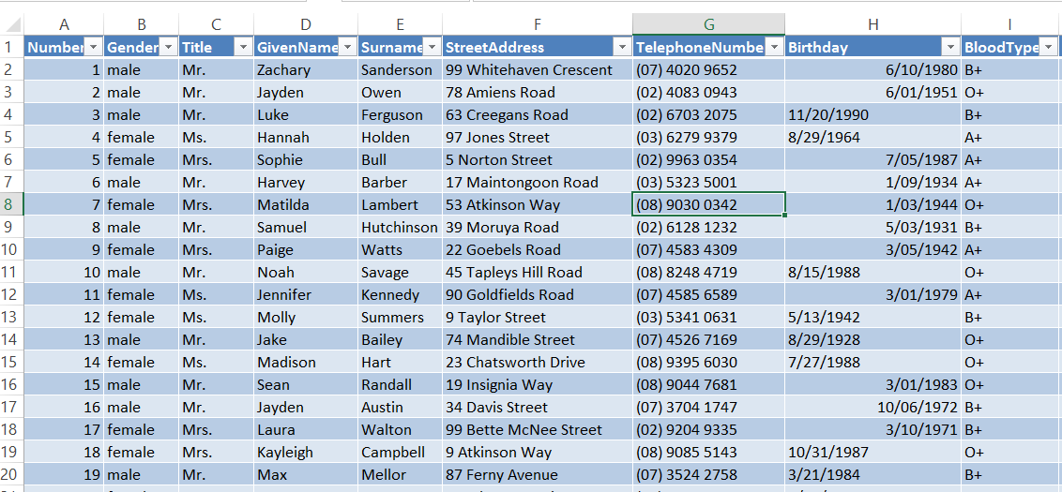
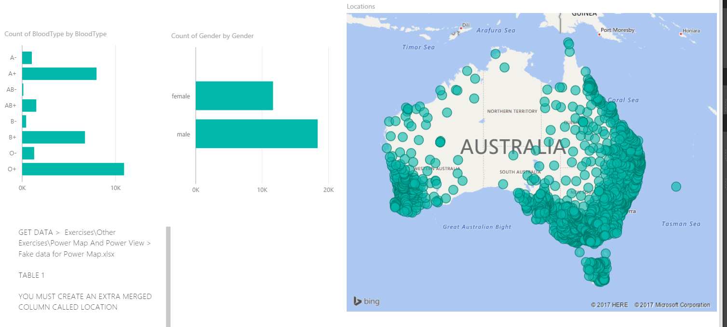

Source is called TABLE 1
YOU MUST CREATE AN EXTRA MERGED COLUMN CALLED LOCATION
EDIT QUERIES > SELECT COUNTRYFULL, STATE and ZIPCODE then ADD Merged Column

